
 |  |  |  | CODE: |  |  | pl1047 ac SN from 97F758
DESCRIPTION: |  | REAR HEAD LIFT |  | KOPFHEBEVORRICHTUNG | SOULEVEMENT TETE | LEVANTAMIENTO CABEZA | SOLL. POSTERIORE TESTATA
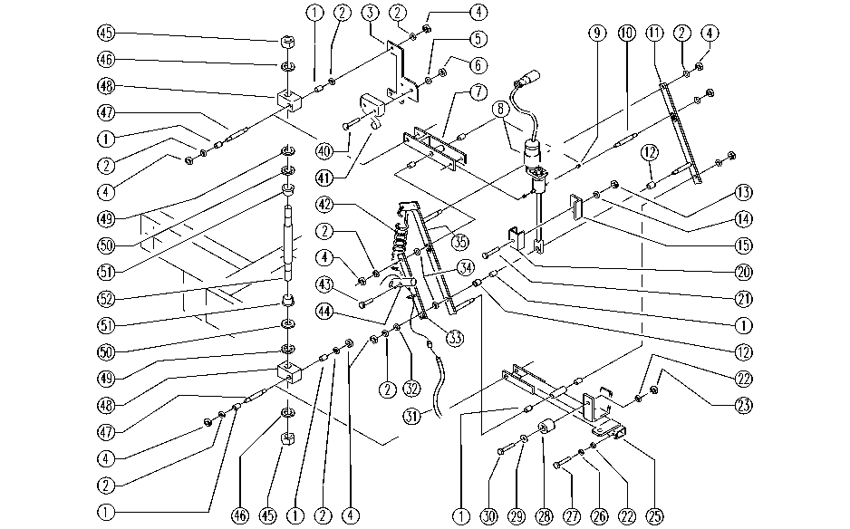

REF. | CODE | DESCRIPTION | QT
1 | E89442 | Bearing | 9
2 | E86726 | Washer | 10
3 | SL09852 | SUPPORT | 1
4 | E86853 | Nyloc Hex Nut, M8 Zinc | 10
5 | E86797 | Washer | 2
6 | E86739 | AS28 Nut | 2
7 | SL09520 | LEVER | 1
8 | E86801 | Actuator | 1
9 | E89441 | Bearing | 2
10 | E89450 | Pin | 1
11 | SL09736 | LEVER | 1
12 | E89443 | Spacer | 2
13 | SL05007 | NUT | 1
14 | SL06016 | WASHER | 1
15 | SL09734 | SUPPORT | 1
20 | SL09743 | SPACER | 1
21 | SL04013 | SCREW | 1
22 | E86707 | Cham Washer D10 | 3
23 | E87868 | Self Locking Nut | 1
25 | SL09519 | LEVER | 1
26 | E86700 | Cham Washer D6 | 2
27 | E89486 | Screw | 2
28 | SL03103 | CAP | 1
29 | E86758 | Washer | 1
30 | E86705 | Screw TE M 6-30 | 1
31 | SL14225 | CABLE | 1
32 | E86881 | Washer | 1
33 | SL09749 | PLATE | 1
34 | E86980 | Washer D13-24-2.5 | 2
35 | SL09735 | PLATE | 1
40 | SL04107 | SCREW | 2
41 | E86828 | Microswitch | 1
42 | E86937 | AS36 Spring | 2
43 | SL04180 | SCREW | 1
44 | SL07314 | PIN | 1
45 | SL05037 | NUT | 2
46 | SL06029 | WASHER | 2
47 | SL07272 | PIN | 2
48 | SL07274 | BLOCK / LOCK | 2
49 | E86855 | Washer | 2
50 | SL06074 | WASHER | 2
51 | E89268 | Bushing | 2
52 | SL07273 | PIN | 1

